Credits
ACT Step-by-Step - Mapping Table

Funders



Technical assistance

Development of ACT-S:
ECO2 Initiative, Utopies and I Care & Consult

Development of the Mapping Table:

Versions

Version | Date | Authors
1.0 | 2021-02-04 | ACT Initiative

README
README
ACT Step by Step vs the selected guidances

ACT Step by Step | Guidance

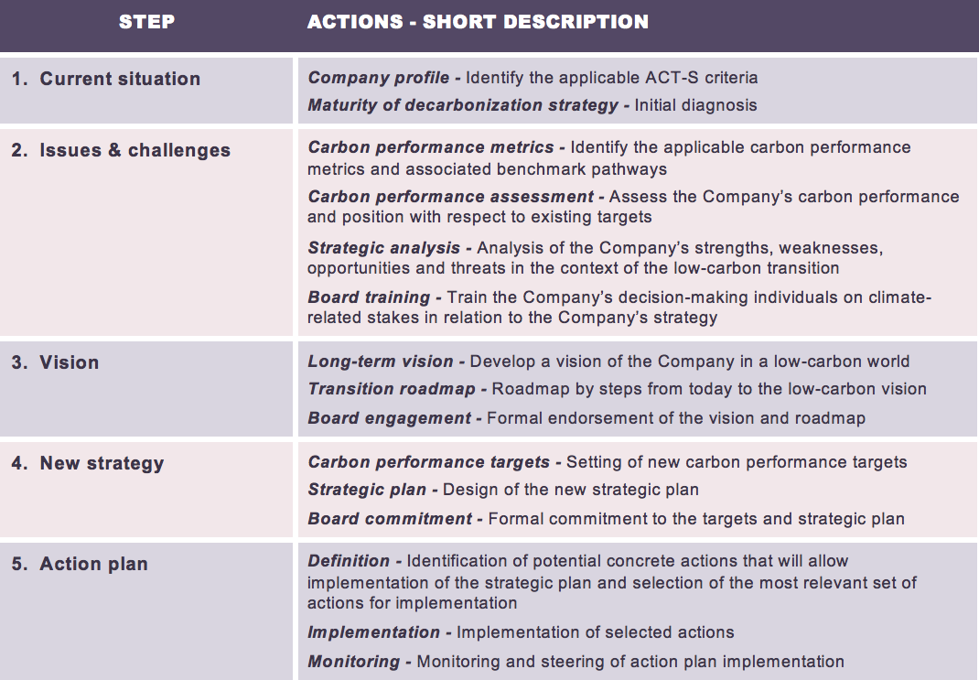



Description on how the Mapping table works

All mappings
- High-level mapping of all ACT Step by Step actions to each guidance
- ACT Assessment has been mapped here as well (it covers all ACT Step by Step actions)

Mapping with ACT Assessment
- Detailed mapping of all ACT Step by Step actions to each guidance
- For each guidance, information on the author, the guidance itself and the requirements have been put at the top of the worksheet, and the overview of each guidance has been put at the bottom of each worksheet

Framing of mapping
- Blank template if other guidances are to be added in the future

